Resultados
Carateristicas originales | 18 |  | Carateristicas originales | 18 |  | Carateristicas originales | 18 |  | Carateristicas originales | 18 |  | Carateristicas originales | 18 |  | Carateristicas originales | 18 |  | Carateristicas originales | 18 |  | Carateristicas originales | 18
Carateristicas a trabajar | 11 |  | Carateristicas a trabajar | 11 |  | Carateristicas a trabajar | 11 |  | Carateristicas a trabajar | 11 |  | Carateristicas a trabajar | 11 |  | Carateristicas a trabajar | 11 |  | Carateristicas a trabajar | 11 |  | Carateristicas a trabajar | 8

 | Cantidad | Porcentaje |  | Cantidad | Porcentaje |  | Cantidad | Porcentaje |  | Cantidad | Porcentaje |  | Cantidad | Porcentaje |  | Cantidad | Porcentaje |  | Cantidad | Porcentaje |  | Cantidad | Porcentaje
Datos Entrenamiento | 593 | 75% | Datos Entrenamiento | 593 | 75% | Datos Entrenamiento | 593 | 75% | Datos Entrenamiento | 593 | 75% | Datos Entrenamiento | 678 | 80% | Datos Entrenamiento | 678 | 80% | Datos Entrenamiento | 593 | 75% | Datos Entrenamiento | 593 | 75%
Datos Prueba | 255 | 25% | Datos Prueba | 255 | 25% | Datos Prueba | 255 | 25% | Datos Prueba | 255 | 25% | Datos Prueba | 170 | 20% | Datos Prueba | 170 | 20% | Datos Prueba | 255 | 25% | Datos Prueba | 255 | 25%
 |  |  |  |  |  |  |  |  |  | 848
Training epochs | 2000 |  | Training epochs | 2000 |  | Training epochs | 2000 |  | Training epochs | 2000 |  | Training epochs | 2000 |  | Training epochs | 2000 |  | Training epochs | 2000 |  | Training epochs | 2000
Learning rates | 0.01 |  | Learning rates | 0.01 |  | Learning rates | 0.01 |  | Learning rates | 0.01 |  | Learning rates | 0.01 |  | Learning rates | 0.01 |  | Learning rates | 0.01 |  | Learning rates | 0.01

Hiden Layers | 2 |  | Hiden Layers | 2 |  | Hiden Layers | 3 |  | Hiden Layers | 1 |  | Hiden Layers | 1 |  | Hiden Layers | 1 |  | Hiden Layers | 1 |  | Hiden Layers | 1
Activation | relu |  | Activation | relu |  | Activation | relu |  | Activation | relu |  | Activation | relu |  | Activation | relu |  | Activation | softmax |  | Activation | softmax
Dropout | 0.5 |  | Dropout | 0 |  | Dropout | 0 |  | Dropout | 0 |  | Dropout | 0 |  | Dropout | 0 |  | Dropout | 0 |  | Dropout | 0

out Layer | sigmoid |  | out Layer | sigmoid |  | out Layer | sigmoid |  | out Layer | sigmoid |  | out Layer | sigmoid |  | out Layer | sigmoid |  | out Layer | sigmoid |  | out Layer | sigmoid

Loss model | Binary_crossentropy |  | Loss model | Binary_crossentropy |  | Loss model | Binary_crossentropy |  | Loss model | Binary_crossentropy |  | Loss model | Binary_crossentropy |  | Loss model | Binary_crossentropy |  | Loss model | Binary_crossentropy |  | Loss model | Binary_crossentropy
 | SGD |  |  | SGD |  |  | SGD |  |  | SGD |  |  | SGD |  |  | adam |  |  | SGD |  |  | SGD

Evaluating on training set |  |  | Evaluating on training set |  |  | Evaluating on training set |  |  | Evaluating on training set |  |  | Evaluating on training set |  |  | Evaluating on training set |  |  | Evaluating on training set |  |  | Evaluating on training set
loss | accuracy: |  | loss | accuracy: |  | loss | accuracy: |  | loss | accuracy: |  | loss | accuracy: |  | loss | accuracy: |  | loss | accuracy: |  | loss | accuracy:
0.08% | 99.16% |  | 0.03% | 99.66% |  | 0.02% | 99.49% |  | 0.10% | 99.33% |  | 0.10% | 99.26% |  | 0.01% | 100.00% |  | 0.60% | 69.81% |  | 0.44% | 81.79%

Evaluating on testing set |  |  | Evaluating on testing set |  |  | Evaluating on testing set |  |  | Evaluating on testing set |  |  | Evaluating on testing set |  |  | Evaluating on testing set |  |  | Evaluating on testing set |  |  | Evaluating on testing set
loss | accuracy: |  | loss | accuracy: |  | loss | accuracy: |  | loss | accuracy: |  | loss | accuracy: |  | loss | accuracy: |  | loss | accuracy: |  | loss | accuracy:
5.37% | 67.45% |  | 6.55% | 67.06% |  | 8.15% | 66.27% |  | 1.93% | 69.41% |  | 2.87% | 59.41% |  | 16.55% | 61.18% |  | 0.57% | 72.16% |  | 0.50% | 80.39%

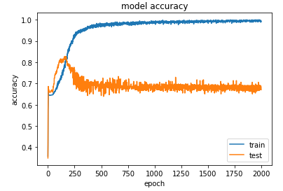
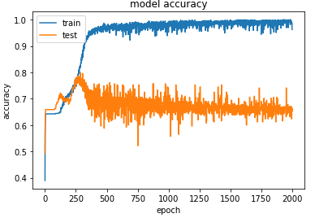
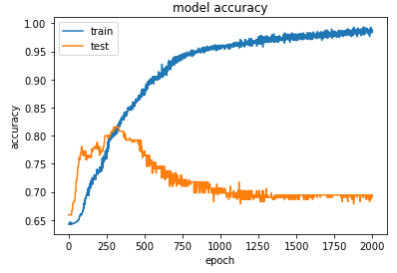
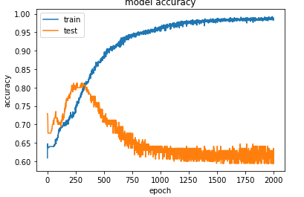
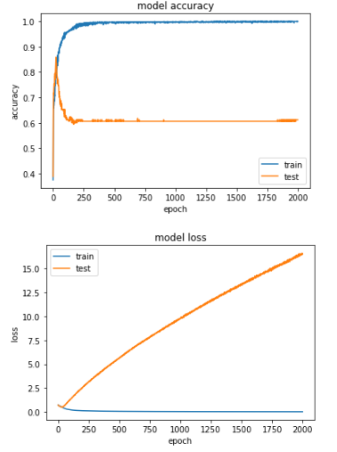
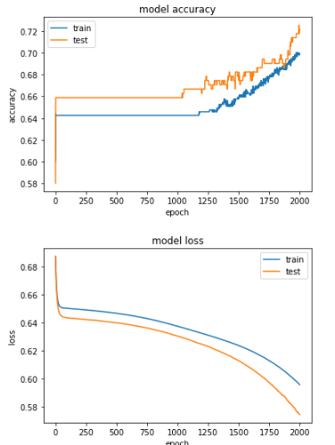
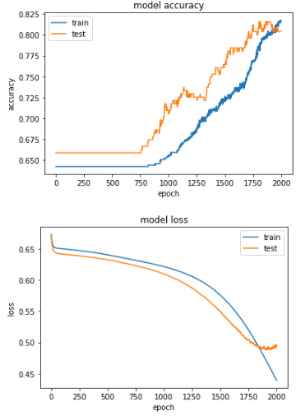

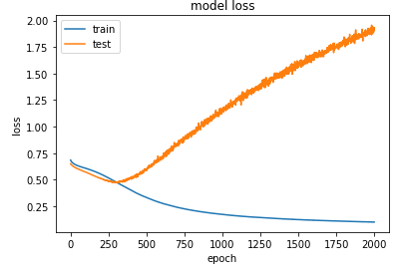
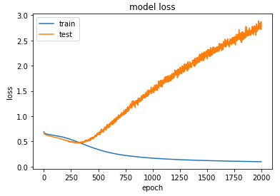
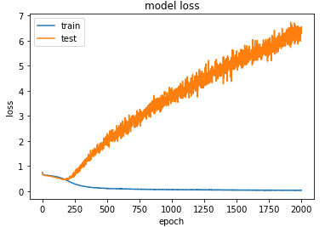
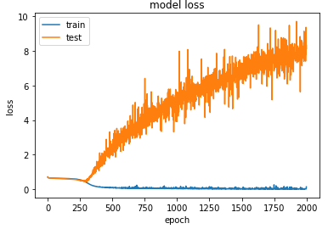

Maximum Loss : | 0.7008 |  | Maximum Loss : | 0.7385 |  | Maximum Loss : | 0.7097 |  | Maximum Loss : | 0.6854 |  | Maximum Loss : | 0.6899 |  | Maximum Loss : | 0.7182 |  | Maximum Loss : | 0.6871 |  | Maximum Loss : | 0.6731

Minimum Loss : | 0.1499 |  | Minimum Loss : | 0.0258 |  | Minimum Loss : | 0.0113 |  | Minimum Loss : | 0.1014 |  | Minimum Loss : | 0.0953 |  | Minimum Loss : | 0.0122 |  | Minimum Loss : | 0.5957 |  | Minimum Loss : | 0.4394

Loss difference : | 0.5509 |  | Loss difference : | 0.7127 |  | Loss difference : | 0.6984 |  | Loss difference : | 0.5839 |  | Loss difference : | 0.5946 |  | Loss difference : | 0.706 |  | Loss difference : | 0.0914 |  | Loss difference : | 0.2337

El modelo ha sido guardado |  |  | El modelo ha sido guardado |  |  | El modelo ha sido guardado |  |  | El modelo ha sido guardado |  |  | El modelo ha sido guardado |  |  | El modelo ha sido guardado |  |  | El modelo ha sido guardado |  |  | El modelo ha sido guardado

